Answers
# | Topic | # | Questions | Answers
1 | Basics / Core Concepts | 1 | What is a Data Model?
 |  | 2 | Difference between Data model and Data Structure?
 |  | 3 | Types of Models?
 |  | 4 | Why Relational model over Semi-structured model?
 |  | 5 | What is Schema for a Relation?
 |  | 6 | What is Domain of a Relation?
 |  | 7 | What is instance of a Relation?
 |  | 8 | What is DDL, DML and DCL of SQL
 |  | 9 | What is DEFAULT keyword?
 |  | 10 | What is PRIMARY Key of a Relation?
 |  | 11 | What is UNIQUE key?
 |  | 12 | Can a single key constitue multiple attributes?
 |  | 13 | Difference between PRIMARY and UNIQUE?
 |  | 14 | What is Super Key and Candidate Key? | Super Keys: A set of attributes which can uniquely identify the Tuples. Set of 'all' attributes is also a Super Key. Removing an attribute from the Super Key may not necessarily impact the key performance (still finds unique tuples). Candidate Keys or Candidates: A Candiate key is a Super key. If you remove an attribute from it, it can no longer uniquely identifies tuples. (Minimal Super Key). The set of attributes which can uniquely identify the tuples of a Relation is a Candidate Key. There can be many Candidate Keys. Out of these Candidates, a qualified one will be chosen as PK (the one without redundancies). | 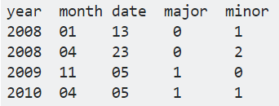 {Year Month Date Major} - Super key {All attributes} - Super {Date Major Minor} - Super {Year Month Date} - candidate key {major, minor} - candidate key
 |  | 15 | What is Relational Algebra(RA)?
 |  | 16 | Four types of RA operations?
 |  | 17 | What are the Set Operations?
 |  | 18 | What is Selections and Projection?
 |  | 19 | Cartesian Product?
 |  | 20 | Natural Join?
 |  | 21 | Theta Join?
 |  | 22 | Equi Join?
 |  | 23 | Draw a bottom up diagram using RA for a simple query.
 |  | 24 | Like Keys of a Relation are constraints on a Database, Explain other type of constraint: Referential Integrity?
 |  | 25 | Example of some constraints on Attributes values?
 |  | 26 | What is Functional Dependency?
 |  | 27 | Advantages of DBMS over traditional file system?
 |  | 28 | What is ACID property?
 |  | 29 | What is Database Normalization?
 |  | 30 | How many Normal Forms?
 |  | 31 | Diff between Normalized and Denormalized DB? Advantages and Disadvantages of both?
 |  | 32 | What is a Join? | Getting tuples from more than one table
 |  | 33 | Inner Join / Left Outer or Left/ Right Outer or Right/ Outer or Full Outer

 |  | 37 | Diff between WHERE and HAVING clause? | HAVING is used to specify a condition for a group or an aggregate function used in select statement. The WHERE clause selects before grouping. The HAVING clause selects rows after grouping. Unlike HAVING clause, the WHERE clause cannot contain aggregate functions.
 |  | 38 | What is a View in DB?
 |  | 39 | Uses of View ?
 |  | 40 | What is a Trigger?
 |  | 41 | Stored Procedure?
 |  | 42 | Diff between Trigger and Stored Procedure?
 |  | 43 | What is a Database Transaction?
 |  | 44 | Database Index?
 |  | 45 | Clustered and Non-Clustered Index?
 |  | 46 | How to Add Primary Key? | CREATE TABLE Persons ( ID int NOT NULL, LastName varchar(255) NOT NULL, FirstName varchar(255), Age int, PRIMARY KEY (ID) );
 |  | 47 | How to add Foreign Key | CREATE TABLE Orders ( OrderID int NOT NULL, OrderNumber int NOT NULL, PersonID int, PRIMARY KEY (OrderID), FOREIGN KEY (PersonID) REFERENCES Persons(PersonID) );
 |  | 48 | How to create Views? | CREATE VIEW view_name AS SELECT column1, column2, ... FROM table_name WHERE condition
 |  | 49 | CHECK Constraint while Table creation | ... AGE int(3) CHECK AGE>18 …
 |  | 50 | MySQL Workbench; DB: sakila; Relation: city

 |  |  | Write a query to count number of tuples | SELECT COUNT(*) FROM city

 |  | 51 | Write a query to count number of cities with DISTINCT countries | SELECT COUNT(*) FROM (SELECT DISTINCT country_id FROM city) AS table1 (or) SELECT COUNT(DISTINCT country_id) FROM city

 |  | 52 | write a query to use AND / OR / NOT operations | SELECT * FROM city WHERE city = "Chennai" AND city = "Madurai" SELECT * FROM city WHERE city = "Chennai" OR city = "Thanjavur" SELECT * FROM city WHERE NOT city = "Chennai"

 |  | 53 | Order by some attribute (Ascending/Descending) | SELECT * FROM city ORDER BY country_id SELECT * FROM city ORDER BY country_id ASC SELECT * FROM city ORDER BY country_id DESC SELECT * FROM city ORDER BY country_id, city_id

 |  | 54 | INSERT INTO | (Inserting into selected columns) INSERT INTO city (city_id, city) VALUES (007, "Paris"); (Inserting into all columns) INSERT INTO city VALUES (007, "Paris", "France";

 |  | 55 | How to Check NULL value | (Cannot use '=' operator) SELECT city_id FROM city WHERE city_id IS NULL

 |  | 56 | How to UPDATE | UPDATE city SET column1 = value1, column2 = value2, ... WHERE condition;

 |  | 57 | DELETE statement | DELETE FROM city WHERE country_id > 100 | Deleting all data: TRUNCATE TABLE TABLE_NAME

 |  | 58 | How to limit the output tuples | SELECT * FROM City LIMIT 3 SELECT TOP 3 * FROM city SELECT TOP 30 PERCENT * FROM city

 |  | 59 | How to find the cheapest Price / Costliest Price | SELECT MIN(Price) AS LargestPrice FROM Products SELECT MAX(Price) AS LargestPrice FROM Products

 |  | 60 | Average and Sum calculations | SELECT AVG(column_name) FROM table_name WHERE condition SELECT SUM(column_name) FROM table_name WHERE condition

 |  | 61 | Where and how LIKE clause used | LIKE operator is used in a WHERE clause to search for a specified pattern. % - Represents 0 to any number of characters _ - Represents single character SELECT * FROM city WHERE city LIKE 'Thanj%' SELECT * FROM city WHERE city LIKE 'Chenn_ai' SELECT * FROM city WHERE city LIKE '[bsp]%' SELECT * FROM city WHERE city LIKE '[a-d]%'

 |  | 62 | Where IN clause used | IN used to provide multiple values to WHERE cluse. SELECT * FROM city WHERE city IN (value1, value2, ...) SELECT * FROM city WHERE city IN (SELECT city_name FROM table2) AS city_list (The AS keyword has to be used to prevent error while nesting queries)

 |  | 63 | BETWEEN usage | SELECT * FROM Products WHERE Price BETWEEN 10 AND 20 SELECT * FROM Products WHERE ProductName NOT BETWEEN 'Carnarvon Tigers' AND 'Mozzarella Giovanni' ORDER BY ProductName

 |  | 64 | Alias names for tables and columns | Using AS keyword. alias name valid till the query execution. SELECT city AS City_Name FROM city

 |  | 65 | Formatted Display | SELECT Customer_ID, Address + ',' + City + ',' + Country AS Address

 |  | 66 | Inner Join syntax for two and three tables | SELECT Orders.OrderID, Customers.CustomerName FROM Orders INNER JOIN Customers ON Orders.CustomerID = Customers.CustomerID Three Tables: SELECT Orders.OrderID, Customers.CustomerName, Shippers.ShipperName FROM ( (Orders INNER JOIN Customers ON Orders.CustomerID = Customers.CustomerID) INNER JOIN Shippers ON Orders.ShipperID = Shippers.ShipperID)

 |  | 67 | Keywords for left / right and outer joins | LEFT JOIN RIGHT JOIN FULL OUTER JOIN

 |  | 68 | What is self join | A table joined with itself, to perform self manipulations SELECT A.Custome AS Name1, B.Customer AS Name2, A.City FROM Customers A, Customers B WHERE A.CustomerID <> B.CustomerID AND A.City = B.City ORDER BY A.City; | Name1 Name2 City

 |  | 69 | SQL UNION operator syntax and usage? | UNION - combines output of two queries and show only the distinct values. Use ALL for all tuples. SELECT City FROM Customers UNION SELECT City FROM Suppliers ORDER BY City

 |  | 70 | GROUP BY purpose and usage? | Its used to group a particular column tuples having same value. Generally used with aggregate functions like COUNT, AVG, MIN, MAX, SUM The below query will produce a list of Country names and the total number of Customers. (In the Output, the GROUP BY column will not have any duplicates. Every redundant value will be grouped into one) SELECT Country, COUNT(CustomerID) FROM Customers GROUP BY Country

 |  | 71 | HAVING clause purpose | HAVING is created because WHERE cannot be used with aggregate functions. SELECT Country, COUNT(CustomerID) FROM Customers GROUP BY Country HAVING COUNT(CustomerID) > 5

 |  | 72 | Purpose of EXISTS operator | The EXISTS operator is used to test for the existence of any record in a subquery. If the subquery returns even one record, EXISTS returns TRUE. SELECT column_name FROM table_name WHERE EXISTS (SELECT column_name FROM table_name WHERE condition)

 |  | 73 | ANY and ALL operators | SELECT ProductName FROM Products WHERE ProductID = ANY (SELECT ProductID FROM OrderDetails WHERE Quantity = 100) Here, in the subquery, for each tuple that satisfies the condition, ANY returns TRUE. In case of ALL, all the tuples in OrderDetails must satisfy the condition else FALSE for all.

 |  | 74 | SELECT INTO purpose and usage?? | This operation creates a new table with the columns specified. Backup purposes. SELECT * INTO CustomersBackup2017 FROM Customers SELECT * INTO CustomersBackup2017 IN 'Backup.mdb' FROM Customers (new table in a different database)

 |  | 75 | INSERT INTO SELECT usage? | The insert statement copies the data from the select statement and inserts into target table. INSERT INTO table2 (column1, column2, column3) SELECT column1, column2, column3 FROM table1 WHERE condition

 |  | 76 | IFNULL usage? | SELECT ProductName, UnitPrice * (UnitsInStock + IFNULL(UnitsOnOrder, 0)) FROM Products In the above query, if the UnitsOnOrder is NULL, 0 will be used. Otherwise entire calculation becomes NULL.

 |  | 77 | How Comments are added in SQL? | Double dash. --This is a comment

LeetCode
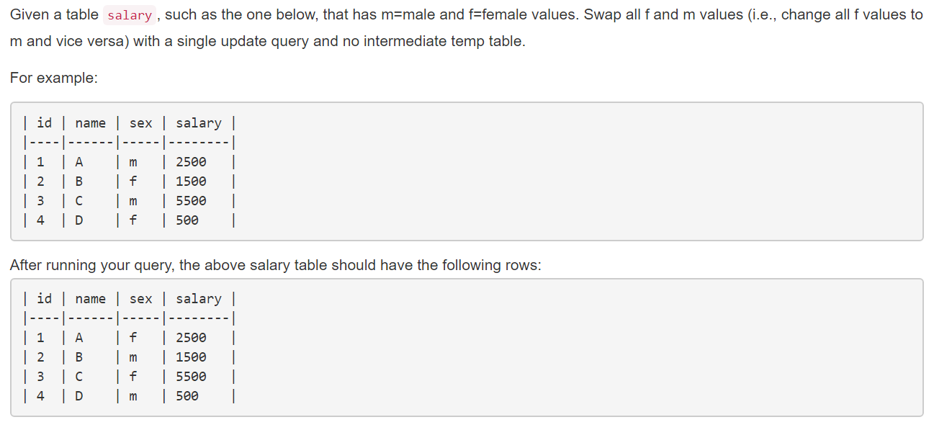
# | Problems | Answers
1 | https://leetcode.com/problems/swap-salary/description/ | >>>>>> | UPDATE salary SET sex= CASE WHEN sex='m' THEN 'f' ELSE 'm' END
 |  | >>>>>>
 |  | >>>>>>
 |  | >>>>>>
 |  | >>>>>>
 |  | >>>>>>
 |  | >>>>>>
 |  | >>>>>>
 |  | >>>>>>
 |  | >>>>>>
 |  | >>>>>>
 |  | >>>>>>
 |  | >>>>>>
 |  | >>>>>>
 |  | >>>>>>
 |  | >>>>>>
 |  | >>>>>>
 |  | >>>>>>
2 | https://leetcode.com/problems/not-boring-movies/description/ | >>>>>> | SELECT * FROM cinema WHERE (id+2)%2=1 AND description <> 'boring' ORDER BY rating DESC;
 |  | >>>>>>
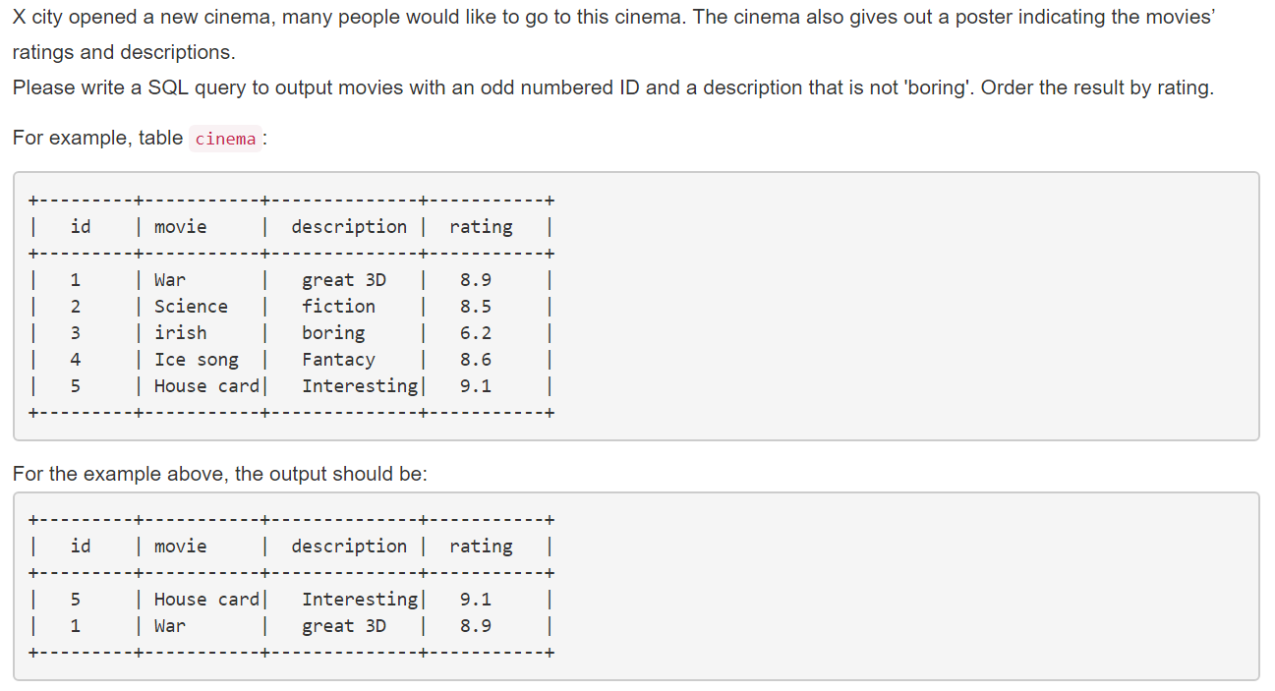
 |  | >>>>>>
 |  | >>>>>>
 |  | >>>>>>
 |  | >>>>>>
 |  | >>>>>>
 |  | >>>>>>
 |  | >>>>>>
 |  | >>>>>>
 |  | >>>>>>
 |  | >>>>>>
 |  | >>>>>>
 |  | >>>>>>
 |  | >>>>>>
 |  | >>>>>>
 |  | >>>>>>
 |  | >>>>>>
 |  | >>>>>>
 |  | >>>>>>
 |  | >>>>>>
 |  | >>>>>>
3 | https://leetcode.com/problems/duplicate-emails/description/ | >>>>>>
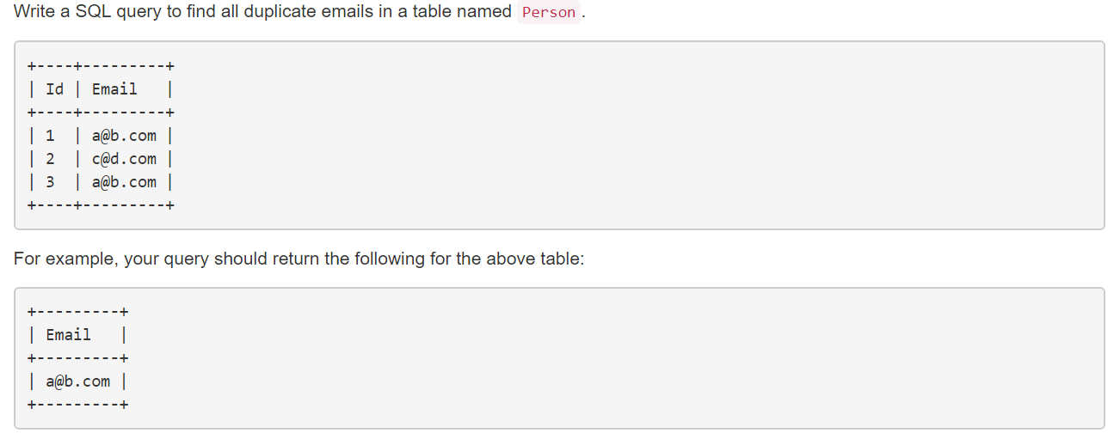
 |  | >>>>>> | Hard Way :) SELECT DISTINCT(p1.Email) from Person p1, Person p2 WHERE p1.Email = p2.Email AND p1.Id<>p2.Id;
 |  | >>>>>>
 |  | >>>>>> | Suggested Solution: SELECT Email FROM Person GROUP BY Email HAVING COUNT(Email) > 1;
 |  | >>>>>>
 |  | >>>>>>
 |  | >>>>>>
 |  | >>>>>>
 |  | >>>>>>
 |  | >>>>>>
 |  | >>>>>>
4 | https://leetcode.com/problems/combine-two-tables/description/ | >>>>>>
 |  | >>>>>>
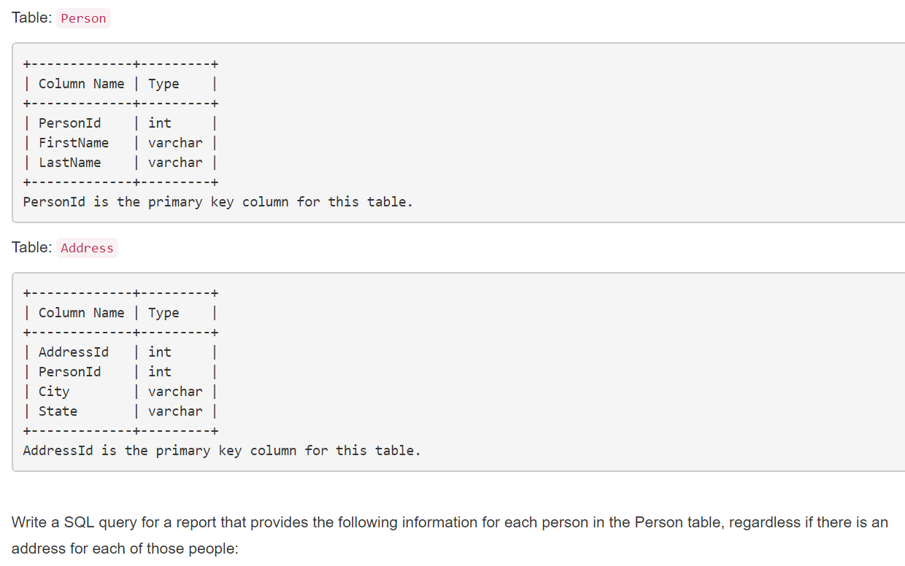
 |  | >>>>>> | SELECT FirstName, LastName, City, State FROM Person LEFT JOIN Address ON Person.PersonId = Address.PersonId;
 |  | >>>>>>
 |  | >>>>>>
 |  | >>>>>>
 |  | >>>>>>
 |  | >>>>>>
 |  | >>>>>>
 |  | >>>>>>
 |  | >>>>>>
 |  | >>>>>>
 |  | >>>>>>
 |  | >>>>>>
 |  | >>>>>>
 |  | >>>>>>
 |  | >>>>>>
 |  | >>>>>>
 |  | >>>>>>
 |  | >>>>>>
 |  | >>>>>>
 |  | >>>>>>
 |  | >>>>>>
 |  | >>>>>>
5 | https://leetcode.com/problems/employees-earning-more-than-their-managers/description/ | >>>>>>
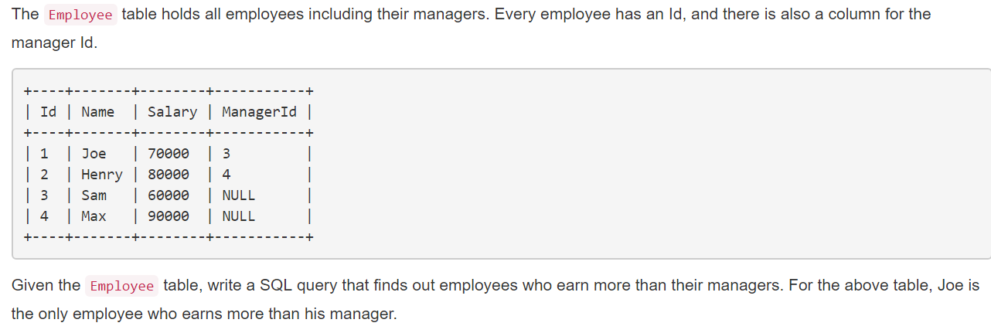 |  | >>>>>> | SELECT EmpTable.Name AS Employee FROM (SELECT * FROM Employee WHERE ManagerId <> 'NULL') AS EmpTable LEFT JOIN Employee ON EmpTable.ManagerId = Employee.Id WHERE EmpTable.Salary > Employee.Salary
 |  | >>>>>>
 |  | >>>>>>
 |  | >>>>>>
 |  | >>>>>>
 |  | >>>>>>

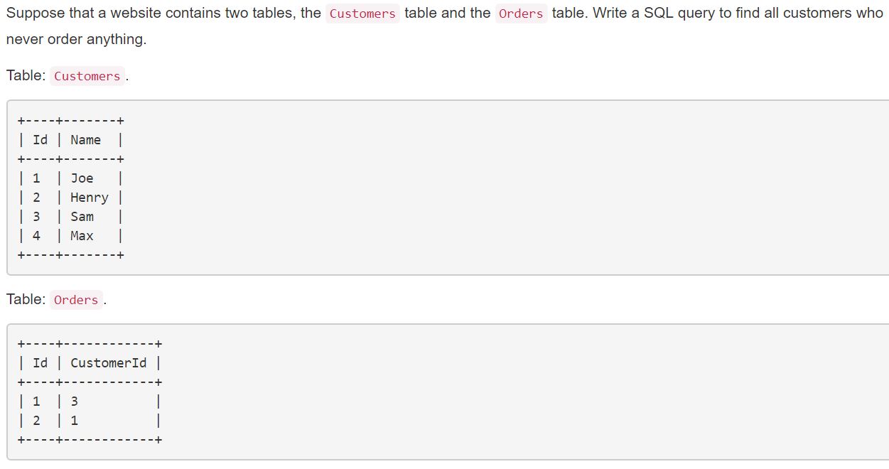
 |  | >>>>>>
6 | https://leetcode.com/problems/customers-who-never-order/description/ | >>>>>>
 |  | >>>>>> | SELECT Name AS Customers FROM Customers WHERE Customers.Id <> ALL(SELECT Orders.CustomerId FROM Orders)
 |  | >>>>>>
 |  | >>>>>>
 |  | >>>>>>
 |  | >>>>>>
 |  | >>>>>>
 |  | >>>>>>
 |  | >>>>>>
 |  | >>>>>>
 |  | >>>>>>
 |  | >>>>>>
 |  | >>>>>>
 |  | >>>>>>
 |  | >>>>>>
 |  | >>>>>>
 |  | >>>>>>
 |  | >>>>>>
 |  | >>>>>>
 |  | >>>>>>
 |  | >>>>>>
 |  | >>>>>>
 |  | >>>>>>
 |  | >>>>>>
 |  | >>>>>>
 |  | >>>>>>
 |  | >>>>>>
 |  | >>>>>>
 |  | >>>>>>
 |  | >>>>>>
 |  | >>>>>>
 |  | >>>>>>
 |  | >>>>>>
 |  | >>>>>>
 |  | >>>>>>
 |  | >>>>>>
 |  | >>>>>>
 |  | >>>>>>
 |  | >>>>>>
 |  | >>>>>>
 |  | >>>>>>
 |  | >>>>>>
 |  | >>>>>>
 |  | >>>>>>
 |  | >>>>>>
 |  | >>>>>>
 |  | >>>>>>
 |  | >>>>>>
 |  | >>>>>>
 |  | >>>>>>
 |  | >>>>>>
 |  | >>>>>>
 |  | >>>>>>
 |  | >>>>>>
 |  | >>>>>>
 |  | >>>>>>
 |  | >>>>>>
 |  | >>>>>>
 |  | >>>>>>
 |  | >>>>>>
 |  | >>>>>>
 |  | >>>>>>
 |  | >>>>>>
 |  | >>>>>>
 |  | >>>>>>
 |  | >>>>>>
 |  | >>>>>>
 |  | >>>>>>
 |  | >>>>>>
 |  | >>>>>>
 |  | >>>>>>
 |  | >>>>>>
 |  | >>>>>>
 |  | >>>>>>
 |  | >>>>>>
 |  | >>>>>>
 |  | >>>>>>
 |  | >>>>>>
 |  | >>>>>>
 |  | >>>>>>
 |  | >>>>>>
 |  | >>>>>>
 |  | >>>>>>
 |  | >>>>>>
 |  | >>>>>>
 |  | >>>>>>
 |  | >>>>>>
 |  | >>>>>>
 |  | >>>>>>
 |  | >>>>>>
 |  | >>>>>>
 |  | >>>>>>
 |  | >>>>>>
 |  | >>>>>>
 |  | >>>>>>
 |  | >>>>>>
 |  | >>>>>>
 |  | >>>>>>
 |  | >>>>>>
 |  | >>>>>>
 |  | >>>>>>
 |  | >>>>>>
 |  | >>>>>>
 |  | >>>>>>
 |  | >>>>>>
 |  | >>>>>>
 |  | >>>>>>
 |  | >>>>>>
 |  | >>>>>>
 |  | >>>>>>
 |  | >>>>>>
 |  | >>>>>>
 |  | >>>>>>
 |  | >>>>>>
 |  | >>>>>>
 |  | >>>>>>
 |  | >>>>>>
 |  | >>>>>>
 |  | >>>>>>
 |  | >>>>>>
 |  | >>>>>>
 |  | >>>>>>
 |  | >>>>>>
 |  | >>>>>>
 |  | >>>>>>
 |  | >>>>>>
 |  | >>>>>>
 |  | >>>>>>
 |  | >>>>>>
 |  | >>>>>>
 |  | >>>>>>
 |  | >>>>>>
 |  | >>>>>>
 |  | >>>>>>
 |  | >>>>>>
 |  | >>>>>>
 |  | >>>>>>
 |  | >>>>>>
 |  | >>>>>>
 |  | >>>>>>
 |  | >>>>>>
 |  | >>>>>>
 |  | >>>>>>
 |  | >>>>>>
 |  | >>>>>>
 |  | >>>>>>
 |  | >>>>>>
 |  | >>>>>>
 |  | >>>>>>
 |  | >>>>>>
 |  | >>>>>>
 |  | >>>>>>
 |  | >>>>>>
 |  | >>>>>>
 |  | >>>>>>
 |  | >>>>>>
 |  | >>>>>>
 |  | >>>>>>
 |  | >>>>>>
 |  | >>>>>>

